Лист1
 | Вертикальные многоступенчатые центробежные насосы JETEX V
 | Прайс-лист 2018

№ | Модель насоса-кол-во ступ. | Мощность э/д. кВт | Расход м³/ч | Напор, м | Ø патрубка (мм) | Цена/USD/шт | Цена/Руб./шт

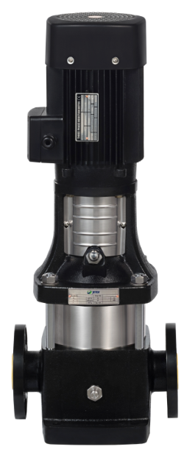
1 | JETEX V2-2 | 0.37 | 2 | 15 | 25 | 319.64 | 22,374.8
2 | JETEX V2-3 | 0.37 | 2 | 22 | 25 | 362.21 | 25,354.7
3 | JETEX V2-4 | 0.55 | 2 | 30 | 25 | 426.08 | 29,825.6
4 | JETEX V2-5 | 0.55 | 2 | 37 | 25 | 447.35 | 31,314.5
5 | JETEX V2-6 | 0.75 | 2 | 45 | 25 | 507.09 | 35,496.3
6 | JETEX V2-7 | 0.75 | 2 | 52 | 25 | 532.53 | 37,277.1
7 | JETEX V2-9 | 1.1 | 2 | 67 | 25 | 566.83 | 39,678.1
8 | JETEX V2-11 | 1.1 | 2 | 82 | 25 | 643.41 | 45,038.7
9 | JETEX V2-13 | 1.5 | 2 | 98 | 25 | 690.41 | 48,328.7
10 | JETEX V2-15 | 1.5 | 2 | 112 | 25 | 724.42 | 50,709.4
11 | JETEX V2-18 | 2.2 | 2 | 136 | 25 | 775.56 | 54,289.2
12 | JETEX V2-22 | 2.2 | 2 | 165 | 25 | 899.17 | 62,941.9
13 | JETEX V2-26 | 3 | 2 | 198 | 25 | 1,005.61 | 70,392.7
14 | JETEX V4-2 | 0.37 | 4 | 15 | 32 | 362.21 | 25,354.7
15 | JETEX V4-3 | 0.55 | 4 | 24 | 32 | 404.78 | 28,334.6
16 | JETEX V4-4 | 0.75 | 4 | 32 | 32 | 451.79 | 31,625.3
17 | JETEX V4-5 | 1.1 | 4 | 40 | 32 | 507.09 | 35,496.3
18 | JETEX V4-6 | 1.1 | 4 | 48 | 32 | 541.09 | 37,876.3
19 | JETEX V4-7 | 1.5 | 4 | 56 | 32 | 575.4 | 40,278.0
20 | JETEX V4-8 | 1.5 | 4 | 64 | 32 | 630.67 | 44,146.9
21 | JETEX V4-10 | 2.2 | 4 | 81 | 32 | 694.55 | 48,618.5
22 | JETEX V4-12 | 2.2 | 4 | 95 | 32 | 728.55 | 50,998.5
23 | JETEX V4-14 | 3 | 4 | 112 | 32 | 852.16 | 59,651.2
24 | JETEX V4-16 | 3 | 4 | 129 | 32 | 903.3 | 63,231.0
25 | JETEX V4-19 | 4 | 4 | 153 | 32 | 1,137.76 | 79,643.2
26 | JETEX V4-22 | 4 | 4 | 178 | 32 | 1,286.81 | 90,076.7
27 | JETEX V8-2 | 0.75 | 8 | 18 | 40 | 519.79 | 36,385.3
28 | JETEX V8-3 | 1.1 | 8 | 27 | 40 | 583.67 | 40,856.9
29 | JETEX V8-4 | 1.5 | 8 | 36 | 40 | 677.41 | 48,000.0
30 | JETEX V8-5 | 2.2 | 8 | 45 | 40 | 711.72 | 49,820.4
31 | JETEX V8-6 | 2.2 | 8 | 54 | 40 | 766.99 | 53,689.3
32 | JETEX V8-8 | 3 | 8 | 73 | 40 | 997.05 | 69,793.5
33 | JETEX V8-10 | 4 | 8 | 92 | 40 | 1,295.38 | 90,676.6
34 | JETEX V8-11 | 4 | 8 | 101 | 40 | 1,371.96 | 96,037.2
35 | JETEX V8-12 | 5.5 | 8 | 111 | 40 | 1,555.28 | 108,869.6
36 | JETEX V8-14 | 5.5 | 8 | 130 | 40 | 1,725.90 | 120,813.0
37 | JETEX V8-16 | 5.5 | 8 | 148 | 40 | 1,819.61 | 127,372.7
38 | JETEX V8-18 | 7.5 | 8 | 167 | 40 | 1,981.36 | 138,695.2
39 | JETEX V8-20 | 7.5 | 8 | 186 | 40 | 2,087.80 | 146,146.0
40 | JETEX V12-2 | 1.5 | 12 | 20 | 50 | 732.98 | 51,308.6
41 | JETEX V12-3 | 2.2 | 12 | 30 | 50 | 809.56 | 56,669.2
42 | JETEX V12-4 | 3 | 12 | 40 | 50 | 950.31 | 66,521.7
43 | JETEX V12-5 | 3 | 12 | 50 | 50 | 963.04 | 67,412.8
44 | JETEX V12-6 | 4 | 12 | 60 | 50 | 1,129.20 | 79,044.0
45 | JETEX V12-7 | 5.5 | 12 | 70 | 50 | 1,452.96 | 101,707.2
46 | JETEX V12-8 | 5.5 | 12 | 80 | 50 | 1,478.70 | 103,509.0
47 | JETEX V12-9 | 5.5 | 12 | 91 | 50 | 1,581.01 | 110,670.7
48 | JETEX V12-10 | 7.5 | 12 | 101 | 50 | 1,811.04 | 126,772.8
49 | JETEX V12-12 | 7.5 | 12 | 121 | 50 | 1,926.05 | 134,823.5
50 | JETEX V12-14 | 11 | 12 | 141 | 50 | 2,296.83 | 160,778.1
51 | JETEX V12-16 | 11 | 12 | 162 | 50 | 2,445.88 | 171,211.6
52 | JETEX V12-18 | 11 | 12 | 183 | 50 | 2,603.46 | 182,242.2
53 | JETEX V16-2 | 2.2 | 16 | 22 | 50 | 779.72 | 54,580.4
54 | JETEX V16-3 | 3 | 16 | 34 | 50 | 967.18 | 67,702.6
55 | JETEX V16-4 | 4 | 16 | 46 | 50 | 1,116.49 | 78,154.3
56 | JETEX V16-5 | 5.5 | 16 | 58 | 50 | 1,371.96 | 96,037.2
57 | JETEX V16-6 | 5.5 | 16 | 70 | 50 | 1,465.70 | 102,599.0
58 | JETEX V16-7 | 7.5 | 16 | 82 | 50 | 1,597.85 | 111,849.5
59 | JETEX V16-8 | 7.5 | 16 | 94 | 50 | 1,657.59 | 116,031.3
60 | JETEX V16-10 | 11 | 16 | 118 | 50 | 2,023.93 | 141,675.1
61 | JETEX V16-12 | 11 | 16 | 141 | 50 | 2,309.56 | 161,669.2
62 | JETEX V16-14 | 15 | 16 | 166 | 50 | 2,514.15 | 175,990.5
63 | JETEX V16-16 | 15 | 16 | 189 | 50 | 2,774.08 | 194,185.6
64 | JETEX V20-2 | 2.2 | 20 | 23 | 50 | 1,001.48 | 70,103.6
65 | JETEX V20-3 | 4 | 20 | 35 | 50 | 1,329.38 | 93,056.6
66 | JETEX V20-4 | 5.5 | 20 | 47 | 50 | 1,567.98 | 109,758.6
67 | JETEX V20-5 | 5.5 | 20 | 58 | 50 | 1,666.16 | 116,631.2
68 | JETEX V20-6 | 7.5 | 20 | 70 | 50 | 1,892.05 | 132,443.5
69 | JETEX V20-7 | 7.5 | 20 | 82 | 50 | 1,942.92 | 136,004.4
70 | JETEX V20-8 | 11 | 20 | 94 | 50 | 2,215.82 | 155,107.4
71 | JETEX V20-10 | 11 | 20 | 118 | 50 | 2,313.70 | 161,959.0
72 | JETEX V20-12 | 15 | 20 | 142 | 50 | 2,697.21 | 188,804.7
73 | JETEX V20-14 | 15 | 20 | 166 | 50 | 3,021.24 | 211,486.8
74 | JETEX V20-17 | 18.5 | 20 | 202 | 50 | 3,306.58 | 231,460.6
75 | JETEX V32-2 | 4 | 32 | 27 | 65 | 1,533.97 | 107,377.9
76 | JETEX V32-2-2 | 3 | 32 | 20 | 65 | 1,363.82 | 95,467.4
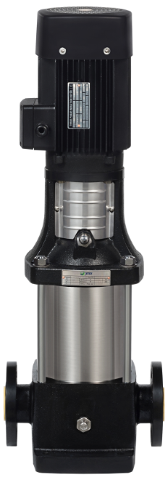
77 | JETEX V32-3 | 5.5 | 32 | 40 | 65 | 1,921.58 | 134,510.6
78 | JETEX V32-3-2 | 5.5 | 32 | 33 | 65 | 1,913.52 | 133,946.4
79 | JETEX V32-4 | 7.5 | 32 | 53 | 65 | 2,070.94 | 144,965.8
80 | JETEX V32-4-2 | 7.5 | 32 | 46 | 65 | 2,062.37 | 144,365.9
81 | JETEX V32-5 | 11 | 32 | 67 | 65 | 2,535.46 | 177,482.2
82 | JETEX V32-5-2 | 11 | 32 | 60 | 65 | 2,526.89 | 176,882.3
83 | JETEX V32-6 | 11 | 32 | 81 | 65 | 2,548.16 | 178,371.2
84 | JETEX V32-6-2 | 11 | 32 | 74 | 65 | 2,539.59 | 177,771.3
85 | JETEX V32-7 | 15 | 32 | 95 | 65 | 2,953.84 | 206,768.8
86 | JETEX V32-7-2 | 15 | 32 | 88 | 65 | 2,918.97 | 204,327.9
87 | JETEX V32-8 | 15 | 32 | 109 | 65 | 3,063.85 | 214,469.5
88 | JETEX V32-8-2 | 15 | 32 | 102 | 65 | 3,055.25 | 213,867.5
89 | JETEX V32-9 | 18.5 | 32 | 124 | 65 | 3,460.06 | 242,204.2
90 | JETEX V32-9-2 | 18.5 | 32 | 117 | 65 | 3,451.46 | 241,602.2
91 | JETEX V32-10 | 18.5 | 32 | 138 | 65 | 3,617.64 | 253,234.8
92 | JETEX V32-10-2 | 18.5 | 32 | 131 | 65 | 3,609.08 | 252,635.6
93 | JETEX V32-11 | 22 | 32 | 153 | 65 | 4,180.04 | 292,602.8
94 | JETEX V32-11-2 | 22 | 32 | 146 | 65 | 4,171.74 | 292,021.8
95 | JETEX V32-12 | 30 | 32 | 167 | 65 | 4,367.50 | 305,725.0
96 | JETEX V32-12-2 | 22 | 32 | 160 | 65 | 4,359.20 | 305,144.0
97 | JETEX V32-13 | 30 | 32 | 181 | 65 | 4,917.46 | 344,222.2
98 | JETEX V32-13-2 | 30 | 32 | 174 | 65 | 4,908.89 | 343,622.3
99 | JETEX V32-14 | 30 | 32 | 196 | 65 | 5,121.78 | 358,524.6
100 | JETEX V32-14-2 | 30 | 32 | 189 | 65 | 5,113.18 | 357,922.6
101 | JETEX V32-15 | 30 | 32 | 210 | 65 | 5,296.50 | 370,755.0
102 | JETEX V32-15-2 | 30 | 32 | 203 | 65 | 5,287.93 | 370,155.1
103 | JETEX V45-2 | 7.5 | 45 | 39 | 80 | 1,904.78 | 133,334.6
104 | JETEX V45-2-2 | 5.5 | 45 | 30 | 80 | 1,896.18 | 132,732.6
105 | JETEX V45-3 | 11 | 45 | 58 | 80 | 2,863.36 | 200,435.2
106 | JETEX V45-3-2 | 11 | 45 | 50 | 80 | 2,854.79 | 199,835.3
107 | JETEX V45-4 | 15 | 45 | 78 | 80 | 3,672.95 | 257,106.5
108 | JETEX V45-4-2 | 15 | 45 | 69 | 80 | 3,664.65 | 256,525.5
109 | JETEX V45-5 | 18.5 | 45 | 97 | 80 | 4,606.09 | 322,426.3
110 | JETEX V45-5-2 | 18.5 | 45 | 88 | 80 | 4,597.82 | 321,847.4
111 | JETEX V45-6 | 22 | 45 | 116 | 80 | 5,334.94 | 373,445.8
112 | JETEX V45-6-2 | 22 | 45 | 108 | 80 | 5,326.37 | 372,845.9
113 | JETEX V45-7 | 30 | 45 | 135 | 80 | 5,692.71 | 398,489.7
114 | JETEX V45-7-2 | 30 | 45 | 127 | 80 | 5,684.45 | 397,911.5
115 | JETEX V45-8 | 30 | 45 | 154 | 80 | 5,905.91 | 413,413.7
116 | JETEX V45-8-2 | 30 | 45 | 146 | 80 | 5,897.34 | 412,813.8
117 | JETEX V45-9 | 37 | 45 | 174 | 80 | 6,911.52 | 483,806.4
118 | JETEX V45-9-2 | 30 | 45 | 166 | 80 | 6,093.36 | 426,535.2
119 | JETEX V45-10 | 37 | 45 | 193 | 80 | 7,124.41 | 498,708.7
120 | JETEX V45-10-2 | 37 | 45 | 185 | 80 | 7,116.14 | 498,129.8
121 | JETEX V45-11 | 45 | 45 | 214 | 80 | 9,297.66 | 650,836.2
122 | JETEX V45-11-2 | 45 | 45 | 206 | 80 | 9,289.09 | 650,236.3
123 | JETEX V45-12 | 45 | 45 | 236 | 80 | 9,540.72 | 667,850.4
124 | JETEX V45-12-2 | 45 | 45 | 226 | 80 | 9,532.12 | 667,248.4
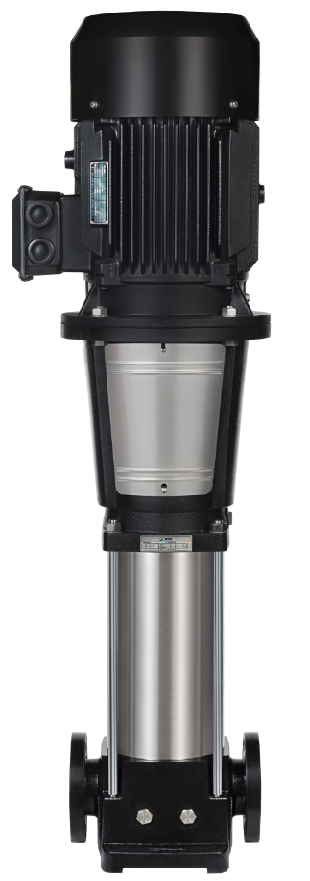
125 | JETEX V45-13-2 | 45 | 45 | 247 | 100 | 9,970.93 | 697,965.1
126 | JETEX V64-2 | 11 | 64 | 40 | 100 | 2,948.80 | 206,416.0
127 | JETEX V64-2-1 | 11 | 64 | 33 | 100 | 2,940.24 | 205,816.8
128 | JETEX V64-2-2 | 7.5 | 64 | 26 | 100 | 2,475.72 | 173,300.4
129 | JETEX V64-3 | 18.5 | 64 | 60 | 100 | 4,201.31 | 294,091.7
130 | JETEX V64-3-1 | 15 | 64 | 53 | 100 | 4,099.30 | 286,951.0
131 | JETEX V64-3-2 | 15 | 64 | 46 | 100 | 4,099.30 | 286,951.0
132 | JETEX V64-4 | 22 | 64 | 80 | 100 | 5,036.61 | 352,562.7
133 | JETEX V64-4-1 | 22 | 64 | 73 | 100 | 5,036.61 | 352,562.7
134 | JETEX V64-4-2 | 18.5 | 64 | 66 | 100 | 4,593.39 | 321,537.3
135 | JETEX V64-5 | 30 | 64 | 102 | 100 | 5,334.94 | 373,445.8
136 | JETEX V64-5-1 | 30 | 64 | 95 | 100 | 5,334.94 | 373,445.8
137 | JETEX V64-5-2 | 30 | 64 | 88 | 100 | 5,334.94 | 373,445.8
138 | JETEX V64-6 | 37 | 64 | 124 | 100 | 6,549.31 | 458,451.7
139 | JETEX V64-6-1 | 37 | 64 | 117 | 100 | 6,549.31 | 458,451.7
140 | JETEX V64-6-2 | 30 | 64 | 110 | 100 | 6,067.96 | 424,757.2
141 | JETEX V64-7 | 45 | 64 | 146 | 100 | 8,138.59 | 569,701.3
142 | JETEX V64-7-1 | 37 | 64 | 139 | 100 | 6,992.53 | 489,477.1
143 | JETEX V64-7-2 | 37 | 64 | 132 | 100 | 7,043.70 | 493,059.0
144 | JETEX V64-8 | 45 | 64 | 168 | 100 | 9,272.22 | 649,055.4
145 | JETEX V64-8-1 | 45 | 64 | 161 | 100 | 9,272.22 | 649,055.4
146 | JETEX V64-8-2 | 45 | 64 | 154 | 100 | 9,272.22 | 649,055.4
147 | JETEX V90-2 | 15 | 90 | 40 | 100 | 3,651.65 | 255,615.5
148 | JETEX V90-2-2 | 11 | 90 | 28 | 100 | 3,481.33 | 243,693.1
149 | JETEX V90-3 | 22 | 90 | 62 | 100 | 4,631.83 | 324,228.1
150 | JETEX V90-3-2 | 18.5 | 90 | 49 | 100 | 4,222.61 | 295,582.7
151 | JETEX V90-4 | 30 | 90 | 84 | 100 | 5,168.79 | 361,815.3
152 | JETEX V90-4-2 | 30 | 90 | 72 | 100 | 5,168.79 | 361,815.3
153 | JETEX V90-5 | 37 | 90 | 106 | 100 | 6,234.11 | 436,387.7
154 | JETEX V90-5-2 | 37 | 90 | 93 | 100 | 6,234.11 | 436,387.7
155 | JETEX V90-6 | 45 | 90 | 130 | 100 | 7,780.82 | 544,657.4
156 | JETEX V90-6-2 | 45 | 90 | 117 | 100 | 7,780.82 | 544,657.4

